1. Title Page
[Grocery Basket Analysis ]

Project Name: Instacart Grocery Basket Analysis
Date: Aug.-Sept. 2023
Analyst Name: Zainab Hachlaf

Contents:
2. Population Flow
3. Consistency checks
4. Wrangling steps
5. Column derivations
6. Visualizations
7. Recommendations

Data citation:
“The Instacart Online Grocery Shopping Dataset 2017”, Accessed from www.instacart.com/datasets/grocery-shopping-2017 via Kaggle on [8/22/2023].

2. Population Flow
Population flow

Exclusion flag
Condition: max_order < 5 (low customer acvitity)
Obervations to be removed: 1,440,295 rows
Final total count of order_products_all: 30,964,564 rows

Orders_products_combined
Orders_products_merged
Orders_products_all

Total: 32,404,859
Total: 32,434,489
Total: 30,964,564

1.) The grey boxes in the first row of the population flow represent the original data sets as they were when you downloaded them. In the Total fields you need to add the count of the rows when you imported the data set into Jupyter.
2.) The second row of boxes (coloured) represents the data sets after you manipulated them, e.g., removed missing values and duplicates. In the Total fields you need to add the count of the rows after conducting these operations. This offers a visual oveview of how the data flows throughout the data consistency checks.
3.) The third row, where also the arrows are coloured, represents the merges you performed between the datasets. In the Total fields you need to add the count of the rows in the merged datasets, so that you end up with the final dataset (in the red box). Keep in mind the final dataset should be without exclusions (based on the exclusion flag).

3. Consistency checks
Consistency checks

 |  |  |  | Crosstab of 'spending_flag' by 'region'

Dataset | Missing values | Missing values treatment | Duplicates | region | High spender | Low spender
orders | days_since_last_order' column has 206.209 NaN | replaced with '0' to indicate that there was no prior order | none | Midwest | 155975 | 7441350
products | product_name' column missing 16 values | removed them and saved new dataframe | 5 duplicate rows found, same treatment | Northeast | 108225 | 5614511
orders_products_prior | none |  | none | South | 209691 | 10582194
customers | first_name' column missing 11,259 values | replaceded NaN with 'unknown' as we can still use user_id for info | none | West | 160354 | 8132559

4. Wrangling steps
 |  |  |  | Title page
Wrangling steps

Columns dropped | Columns renamed | Columns' type changed | Comment/Reason
eval_set' from orders df | {'order_dow' : 'orders_day_of_week'} in orders df | changed 'order_id' type to string in orders df | columns that did not add any info were dropped
Unnamed: 0' from prods df | {'days_since_prior_order' : 'days_since_last_order'} in orders df | changed 'user_id' to string in orders / customer df | columns with sensitive personal data were dropped
_merge', 'Unnamed: 0.1', 'busiest_day' and 'busiest_hour' from merged df | {'First Name' : 'first_name'} in customers df | changed 'product_id' to int32 in merged df | columns were renamed to either clarify what they represented or to unify header font style
'first_name', 'last_name', '_merge',' Unnamed: 0' from final df | {'Surnam' : 'last_name'} in customers df | changed 'aisle_id' to int32 in merged df | data types were changed to lower memory usage
 | {'Gender' : 'gender'} in customers df | changed 'department_id' to int32 in merged df
 | {'STATE' : 'state'} in customers df | changed 'order_id' to int32 in merged df
 | {'Age' : 'age'} in customers df | changed 'user_id' to int32 in merged df
 | {'n_dependants' : 'number_of_dependents'} in customers df | changed 'order_number' to int32 / int8 in merged df
 | {'fam_status' : 'marital_status'} in customers df | changed 'orders_day_of_week' to int8 in merged df
 | {'Unnamed: 0' : 'department_id'} in customers df | changed 'order_hour_of_day' to int8 in merged df
 |  | changed 'days_since_last_order' to float16 / int8 in merged df
 |  | changed 'add_to_cart_order' to int32 / int8 in merged df
 |  | changed 'reordered' to int32 / int8 in merged df
 |  | changed 'age' to int8 in customer df
 |  | changed 'income' to int8 in customer df
 |  | changed 'number_of_dependents' to int8 in customer df
 |  | changed 'prices' to float32 in merged df
 |  | changed 'max_order' to int8 in merged df
 |  | changed 'median_dslo' to float16 in merged df
 |  | changed 'avg_price' to float32 in merged df

5. Column derivations
Column derivations and aggregations

In this tab you should add tables below that the frequences of flags/label variables that you produced after deriving them. NB: don't do this for continuous variables, only for flags.
Dataset | New column | Column/s it was derived from | Conditions
updated_data.pkl | loyalty_flag | max_order' (groupby 'user_id' + 'order_number') | max_order' > 40 = 'Loyal customer' 'max_order' <= 40 & > 10 = 'Regular customer' 'max_order' <= 10 = 'New customer'
updated_data.pkl | spending_flag | avg_price' (groupby 'user_id' + 'prices') | avg_price' >= 10 = 'High spender' 'avg_price' < 10 = 'Low spender'
updated_data.pkl | frequency_flag | median_dslo' (groupby 'user_id' + 'days_since_last_order' | median_dslo' > 20 = 'Non-frequent customer' 'median_dslo' <= 20) & > 10 = 'Regular customer' 'median_dslo' <= 10 = 'Frequent customer'
merged_data.pkl | busiest_day | orders_day_of_week' | if value = 0 -> Busiest day' if value = 4 -> 'Least day' all other values -> 'Regularly day'
merged_data.pkl | busiest_days | orders_day_of_week' | if value = 0 or = 1 -> "Busiest days" if value = 4 or = 3 -> "Slowest days" all other values -> "Regularly busy"
merged_data.pkl | busiest_hours | order_hour_of_day' | if value in [10, 11, 14, 15, 13, 12, 16, 9] -> "Most orders" if value in [23, 6, 0, 1, 5, 2, 4, 3] -> "Fewest orders" other times -> "Average orders"
merged_data.pkl | price_range | prices' | prices' > 15 = 'High-range product' 'prices' <= 15 & > 5 = 'Mid-range product' 'prices' <= 5 = 'Low-range product'
final_merge.pkl | age_group | age' | age' <= 30 -> 'Young Adult' 'age' > 31 & < 40 -> 'Adult' 'age' > 41 & < 59 -> 'Middle aged' 'age' > 60 -> 'Senior'
final_merge.pkl | income_range | income' | income' < 50000 = 'Lower income' 'income' >= 50000 & <= 150000 = 'Middle income' 'income' > 150000 = 'Upper income'
final_merge.pkl | family_status | number_of_dependents' | number_of_dependents' =0 -> 'Single adult' 'number_of_dependents' >= 1 & <= 2 --> 'Family' 'number_of_dependents' >= 3 --> 'Big Family'
final_merge.pkl | customer_profile | income_range','age_group','family_status' | created 36 customer profiles based on every variable label
final_merge.pkl | region | state' | grouped states in US regions: NE,S,W, Midwest
final_merge.pkl | customer_activity | max_order' (groupby 'user_id' + 'order_number') | max_order' < 5 --> 'low activity' 'max_order' >= 5 --> 'high activity'

6. Visualizations
Visualisations

In this tab you should include all the visualtions from Exercises 4.9 and 4.10, alongside the questions from the project brief that they answer. Include any commentary on the relationship between different variables.

● The sales team needs to know what the busiest days of the week and hours of the day are (i.e., the days and times with the most orders) in order to schedule ads at times when there are fewer orders.

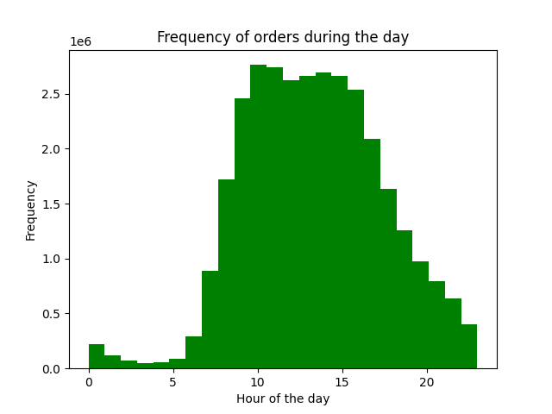
Frequency of orders during the week
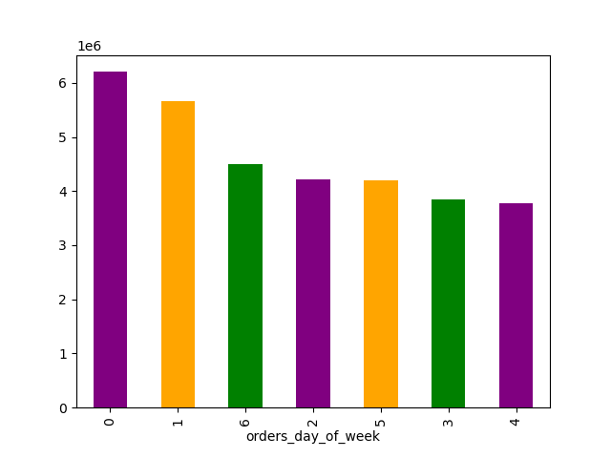

 | INSIGHT: Saturday(0) & Sunday(1) are the busiest days of the week, on the opposite end we have Wednesday(4) & Tuesday(3) with the least weekly orders. The histogram shows the number of orders during the day (24h), the busiest time of the day is between 9-11 AM but the orders stay pretty high till early afternoon. On the other hand, night hours are the least busy. So the marketing Team should run ads at night between midnight and 6AM on Wednesdays and Tuesdays.

● They also want to know whether there are particular times of the day when people spend the most money, as this might inform the type of products they advertise at these times.

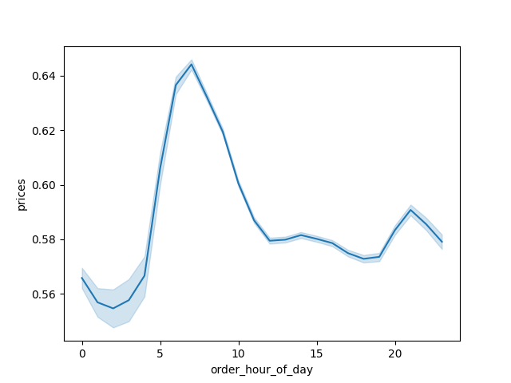
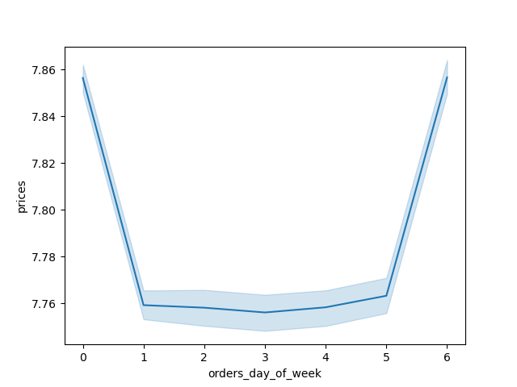

 | INSIGHT: this line chart shows the development of prices during the daily 24h. The peak is reached in the morning between 6-9 AM. On the lowest side, we have the lowest order prices at night around 3AM.

 | The first line chart on the left shows the prices delevopment during the week instead. The two extremes peak at 0 and 6, Saturday & Friday, while mainting a constant during the rest of the days.

● Instacart has a lot of products with different price tags. Marketing and sales want to use simpler price range groupings to help direct their efforts.



 | INSIGHT: the hystogram chart shows all prices under 100, to avoid including outliers. Most products have a price that ranges between 1 and 15, this is confirmed by the count in the frequency table: most of the products are mid-range (5-15).

 | Price range | Count | %
 | Mid-range product | 20891771 | 67.469929984
 | Low-range product | 9674840 | 31.244875191
 | High-range product | 397955 | 1.2851948256
 |  | 30964566

● Are there certain types of products that are more popular than others? The marketing and sales teams want to know which departments have the highest frequency of product orders.

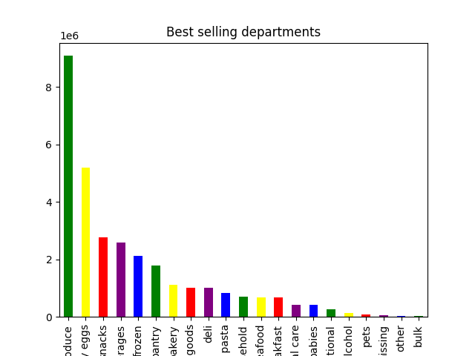

 | INSIGHT: Top 3 of sold products are within produce, dairy/eggs, snacks departments.

 | Department | Count | %
 | produce | 9079273 | 29.321494725
 | dairy eggs | 5177182 | 16.719699331
 | snacks | 2766406 | 8.9341028667
 | beverages | 2571901 | 8.3059493426
 | frozen | 2121731 | 6.8521261917
 | pantry | 1782705 | 5.7572423755
 | bakery | 1120828 | 3.6197118745
 | canned goods | 1012074 | 3.2684910403
 | deli | 1003834 | 3.2418799761
 | dry goods pasta | 822136 | 2.6550866339
 | household | 699857 | 2.2601868381
 | meat seafood | 674781 | 2.1792039442
 | breakfast | 670850 | 2.1665087873
 | personal care | 424306 | 1.3702954125
 | babies | 410392 | 1.3253601762
 | international | 255991 | 0.82672244311
 | alcohol | 144627 | 0.46707261888
 | pets | 93060 | 0.30053709137
 | missing | 64768 | 0.20916813167
 | other | 34411 | 0.11113025845
 | bulk | 33451 | 0.10802994029
 |  | 30964564

● The marketing and sales teams are particularly interested in the different types of customers in their system and how their ordering behaviors differ.

○ What’s the distribution among users in regards to their brand loyalty (i.e., how often do they return to Instacart)? ○ Are there differences in ordering habits based on a customer’s loyalty status?

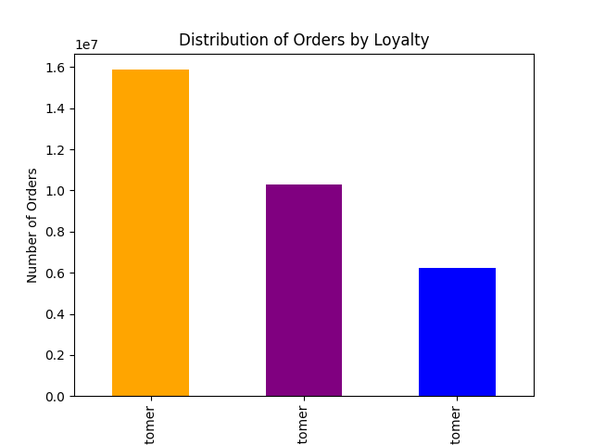

 | INSIGHT: Half of Instacart customers retuen reguarlarly ( orders between 10-40)

 | Loyalty Flag | Number of Customers based on Max Order | in %
 | Regular customer | 15876776 | 51.27
 | Loyal customer | 10284093 | 33.21
 | New customer | 4803697 | 15.51
 |  | 30964566

 | loyalty_flag | frequency_flag | count | %
 | Loyal customer | Frequent customer | 10279960 | 33.20
 | Loyal customer | Regular customer | 4133 | 0.01
 | New customer | Non-frequent customer | 1983500 | 6.41
 | New customer | Regular customer | 1526901 | 4.93
 | New customer | Frequent customer | 1293294 | 4.18
 | Regular customer | Frequent customer | 9631222 | 31.10
 | Regular customer | Regular customer | 5334079 | 17.23
 | Regular customer | Non-frequent customer | 911475 | 2.94
 |  |  | 30964564

○ Are there differences in ordering habits based on a customer’s region?

region | High spender | Low spender
Midwest | 155975 | 7441350
Northeast | 108225 | 5614511
South | 209691 | 10582194
West | 160354 | 8132559

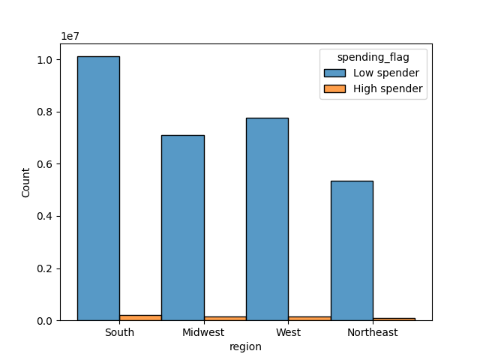
INSIGHT: purely based on prices, the Souther region is both the highest spender and the lowest.

○ Is there a connection between age and family status in terms of ordering habits?

INSIGHT: there soesn´t seem to be a correlation between age and number of dependents in the household. The line chart of the two variables doesn´t represent a clear pattern.


○ What different classifications does the demographic information suggest? Age? Income? Certain types of goods? Family status?

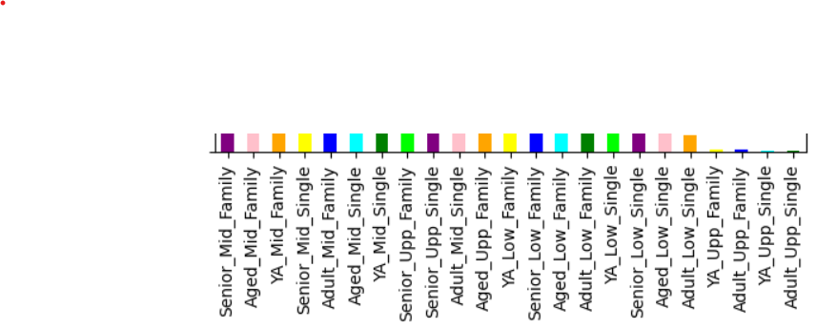
36 customer profiles were created based on age group, income range and number of dependents. The plot below shows their disctribution by US region, the peak count is senior, middle range income with dependents.
Whereas the lower count is for single adult with upper range income.
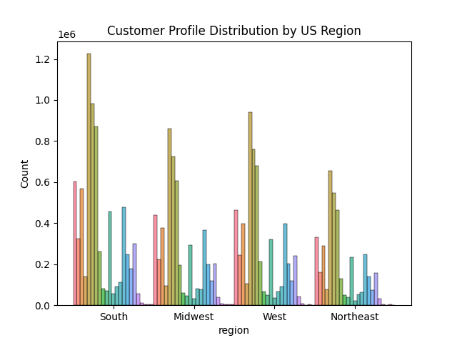
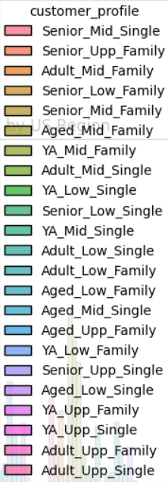
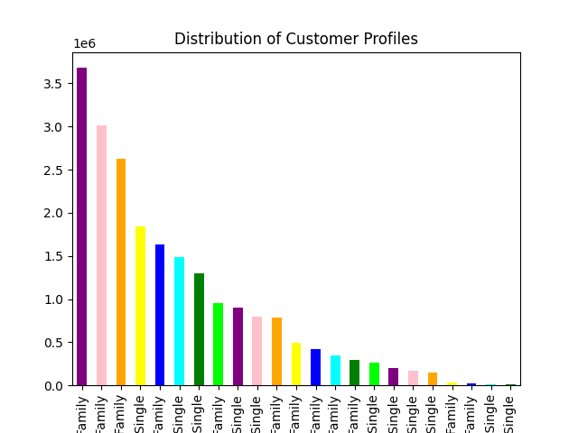

Is there a correlation between age and income?



 | INSIGHT: the highest income range (over 400k) is distributed bewtween customers over 40 yrs old. We can deduce that the older the customer, the higher is their spending power.

7. Recommendations
Recommendations

Key Question | Answer
● The sales team needs to know what the busiest days of the week and hours of the day are (i.e., the days and times with the most orders) in order to schedule ads at times when there are fewer orders. | Saturday & Sunday are the busiest days of the week and the busiest time of the day is between 9-11 AM but the orders stay pretty high till early afternoon. The marketing Team should run ads at night between midnight and 6AM on Wednesdays and Tuesdays, when traffic is the lowest. However further analysis is needed to target type of customer and what products to advertise.
● They also want to know whether there are particular times of the day when people spend the most money, as this might inform the type of products they advertise at these times. | During the day, the prices peak in the morning between 6-9 AM. However this doesn´t narrow on the type of products they should push or the type of customer that usually buys at that time. Further analysis is needed.
● Instacart has a lot of products with different price tags. Marketing and sales want to use simpler price range groupings to help direct their efforts. | About 2/3 of Instacart products are mid range priced (5-15). Check if discounts on high range products are possible to make them more accessible and sell more units. Low range products should be analysed as well, maybe it´s possible to raise some prices to mid.
● Are there certain types of products that are more popular than others? The marketing and sales teams want to know which departments have the highest frequency of product orders. | Produce, dairy/eggs, and snacks departments make up 54.98 % of orders (more than half in produce only) independently of age, income, family status. Marketing Team should analyse winning strategies for these departments to apply to least popular products.
○ What’s the distribution among users in regards to their brand loyalty (i.e., how often do they return to Instacart)? | Loyal customers are 33%, regular customers make up 51% and new customers are 15%. Marketing Team should create a loyalty programm to increase activity from loyals and incentivise regulars to become loyals.
○ Are there differences in ordering habits based on a customer’s loyalty status? | By cross checking loyalty and frequency flag, we see that the most frequent customers (i.e. back on Instacart within 10 days on average) are part of the loyal (max order >40) and the regular (10 > max order < 40) status. Together they make 64% of our clientele. Deeper analysis is needed to determine differences & similarities based on loyalty.
○ Are there differences in ordering habits based on a customer’s region? | Considering spending habits, the highest spenders don´t show much difference based on residency. Instacart market is mostly made of lowest spenders (average price lower than 10) with the South slightly taking over and NorthEast at the bottom. Based on this, our focus should be on the lowest spenders.
○ Is there a connection between age and family status in terms of ordering habits? | There is no actual correlation between age of customer and their family status (based on number of dependents).
○ What different classifications does the demographic information suggest? Age? Income? Certain types of goods? Family status? | Customers over 40 seem to have higher spending power than younger adults. Marketing Team should take income & spending power into consideration when creating & scheduling ads.
○ What differences can you find in ordering habits of different customer profiles? Consider the price of orders, the frequency of orders, the products customers are ordering, and anything else you can think of. | Customer profiles were created with different labels of income range, age group and family status for total of 36 possible groups. Top 3 customer profiles in terms of counts are: 'Senior_Mid_Family ' 3680498 customers are over 60, income range 50000 - 150000, with 1-2 dependents 'Aged_Mid_Family' 3017255 customers are aged 41-59, income range 50000 - 150000, with 1-2 dependents 'YA_Mid_Family' 2621479 ustomers are aged 30 or younger, income range 50000 - 150000, with 1-2 dependents Marketing Team should analyse customers with middle range income & 1-2 dependents (age is not that important as customers in the same categories between 30-40 yrs old are at #5) to determine winning strategies. Also this top 3 remain the unchanged at regional level as well.

